2024-07-24
System | Workflow Nodes | Data Structure | Screenshots | Particular Points | Action Items

 | Plant | stored in one single table, contains some general information: ID, Name, Country, Location etc | Screenshot 1 | 1: a physical plant could have more than one plant code maintained in SAP. i.e. Dargon plant actually has two plant codes inside SAP. 1)0759: represent Dragon plant 2) S5P9: represent Dragon WH however, in terms of testing, the inspection lot assigned to either 0759 or S5P9 will be tested by the Dragon QC lab. and in terms of material master data, SAP will assign to the desired plant code accordingly. 2: Henkel is expectation is that: for all the material or inspection lot assigned to either 0759 or S5P9 should be accessed by Dragon QC lab user. This requirement in LIMS, will use the Group access control to realize. | 1. Henkel: Henkel in SAP needs to maintain the linking between plant code and the dedicated work center, so that the subjected inspection lot of those plants can be included in the scope to download into LIMS.
 | Work Center | stored in one single table, contains some general information, i.e. plant code, work center code, name, etc | Scrrenshot 2 | 1. one plant can have more then one lab. And inside SAP, one lab is represented as one Work Center. 2. when receiving an inspection lot from SAP, a sample will be created in LIMS. And then LIMS needs to assign this sample to the correct Lab based on the work center given in the SAP inspection lot. | 1. TF: if Smidi is able to assign to the sample to a proper Group_ID accordingly based on the given work center in sap inspection lot? 2. TF: ro advise for Henkel's case, how to configure the subsystem and do the Smidi lot query to query the desired inspeciton lot down to LIMS?
 | Material Master Data | Mat A (Mat ID is globally unique in SAP) > plant A ----> mat type (FP), and some other generic properties ---> Insp plan A > Plant B --->mat type (RM), and some other generic properties ---> insp plant B ... (and so on and so forth) essentially, one material can be assigned to multiple plants, and each plant can determine its material type and links to the inspection plant if needed. | Screenshot 2 | N/A | 1. TF: to understand if Synced by Smidi, what is the mecanism to create to material master data inside LIMS? and whether Smidi is able to incorporate the data structure as in Henkel SAP. 2. TF: whether sycned by Smidi or independent API, TF needs to design how the material data should be strucured and created in LIMS?--- Not so urgent
 | GHS Information | it is a properties linked to the material master data in SAP. | N/A | N/A | 1.Henkel: so far, Henkel doesn't see any place or step throughout the sample testing lifecycle in which GHS will be required. so pending for Henkel final decision if this interface can be removed.
 | Inspection Plan | Inspection Plan A > Operation No (Activities No) MIC A : Quantitative or Qualatative, decimal place, lower and upper limit , unit etc. MIC B .... etc > Operation No B (Acitivties No) MIC A MIC C | screenshot 4 | N/A | 1. TF: to understand internally how LIMS can process the inspection plan and store as Analysis, Test Schedule, MLP respectively? And especially to further evaluate all the current desired information inside Henkel SAP can be mapped and created corespondingly inside LIMS?
 | Batch Information | as per Henkel, below information should be ready for each inspection lot: Batch No, production date, expiry date. | Screenshot 5 | 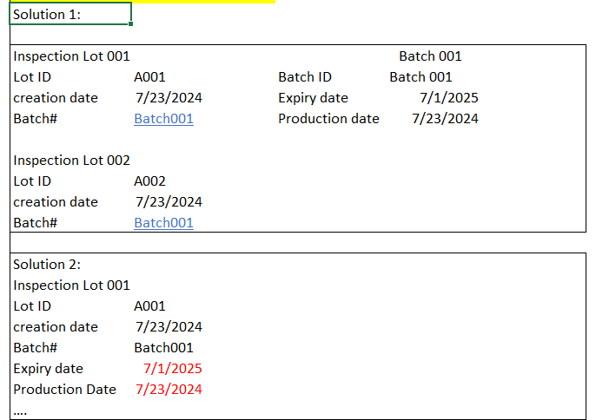 two solutions were provided as below: | 1. Henkel: Henkel to check if can add additional fields to incoporate the expiry date and production date into QAIVC views, which is queried by Smidi to downloaded the inspection lot? 2. TF: also need to check internally if Smidi is able to download the Batch Information data into LIMS? 3. TF & Henkel: to further decide the final solution forward to process the batch information? whther to maintain the batch information as a independent data inside LIMS or all the required batch information (batch no, production date, expiry date) inside each inspection lot before downloading into LIMS?
 | Inspection lot | after GR is performed in MES, SAP will create and release the inspection lot accordingly. and it is aligned with Henkel that as long as the SAP inspection lot mests below conditions, should be downloaded into LIMS: 1)The status contains "REL" 2)The inspection lot linked with the dedicated work center that are among those "xxx, xxx," 3)The inspection type is among these inspection type ID:"O1PQ; 04P" | Screenshot 6 |  | 1. Henkel: need Henkel to provide all the insepction type ID and work center ID which are required in Inspection lot so that can be downloaded into LIMS. 2. TF: need to check internally if Smidi can configure the query based on Henkel's case to download the desired isnpection lot?
 | Sample creation | upon receiving one inspection lot, LIMS will auto create two types of data, the master data and transaction data Master Data; Substance ----> Material master data Plant Code-----------> Plant code MLP-------------------> Inspection plan Analysis--------------> the MIC of the inspection plan Transaction Data: a virtual sample will be created and having all those attibutes as given and desired in inspection lot |  | for Standard RM workflow, inspection lot will be creating in SAP and then download into LIMS before the physical sample arrived and registered in LIMS. For JIT& Truck Workflow, physical sample will arrive and register inside LIMS and proceed testing before the inspection lot is created in LIMS (GR) | 1. TF: given the case that the inspection lot is not always created before sample registered in LIMS, TF needs to evaluate the high-level interface archtecture, whether and if Smidi is able to pull all the master data seperately before inspection lot? or seperate API(s) needs to develop to sync all master data from SAP to LIMS, and then use Smidi only to sync inspection lot. noticeablly: it is unaccepted that the master data can't real time sync from SAP to LIMS. 2. TF: needs to check internally if Smidi is able to, upon downloading the insepction lot, further decide the next step according to the combinations of "Mat code, plant code, and batch no" , whether to updating the exiting samples or creating a new one.
 | Sample Receiving | N/A | N/A | refer to the email alignment communication on MES and LIMS Label process. All in all, a LIMS sample should be ready before scanning MES label to proceed the sample receiving action. | 1. Henkel: to double check and confirm if MES Label will be able to include the plant code information? If not, need Henkel to confirm the combination of "Material No and Batch No" should be unique to navigate the single unreceived sample inside LIMS?
 | Task Assignment | N/A | N/A | Task assignemnt can be performed manually and automatecally. For phase A, manual assignment can be done by: 1) self assigned 2) a dedicated user to do the central assignment to all the operators. | N/A
 | Result Entry | N/A | N/A | one thing is shared that | 1 TF &Henkel: need to have a session to explain and discussion, in phase A without LES, when entry entry, how to incoporate the instrument integration and intermediate results recording.---Not so urgent.
 | Retest and Resample | N/A | N/A | for Retest case, the solution is that: when needed, user needs to perform Retest and create another same Test (MIC) it is understood that the SAP is only requiring to accept and store the Latest Test (only the result of retest). for Resample case, the solution is that: when needed, user needs to perform resample and create another sample. And user should be allowed to select what Test (MIC) needs to be tested under this re-sample. it is aligned that all the sample (original sample and resampled sample), when authorized and pushed the result to SAP, all the results of all the samples should be sent to SAP. and SAP will create the number of inspection points and MIC based on what is recieved from SAP. | 1. TF: for the retest case, when pushing result back to SAP, where Smidi is able to only push the Latest Test (the retest) to SAP .
 | Result Review | N/A | N/A | it is aligned that upon sample is reviewed and authorized, all the results of that authorized sample should be sent to SAP authorimatically. | 1 TF:Upon pushing back the result from LIMS to SAP, whether the MIC status can be auto updated? Reject or Accepted?

2024-07-25
Workflow | System | Workflow Nodes | Data Structure | Screenshots | Particular Points | Action Items
General | SAP | N/A | N/A | N/A | Henkel has two sets of SAP systems, idenfitied as P92 and P93. master data wise, the ID of all the master data ( material, plant, work center, inspection plan) will be unique across these two SAP systems. However in terms of transaction data, has their own logic to ensure the uniqueness. | TF&Henkel: needs to further understand the uniqueness later when do mapping and processing later during FS.
General | SAP | Material Master Data | N/A | N/A | N/A | TF&Henkel: to consolidate and confirm how SAP differentiates all type of materials to be tested by QCLaD---that would help QCLaD design the function better. Like, RM, can further separate as storage type (Truck RM), and non-storage type (Standard RM) and JIT SFG and FG packaging material etc..
Dashboard | QCLaD | 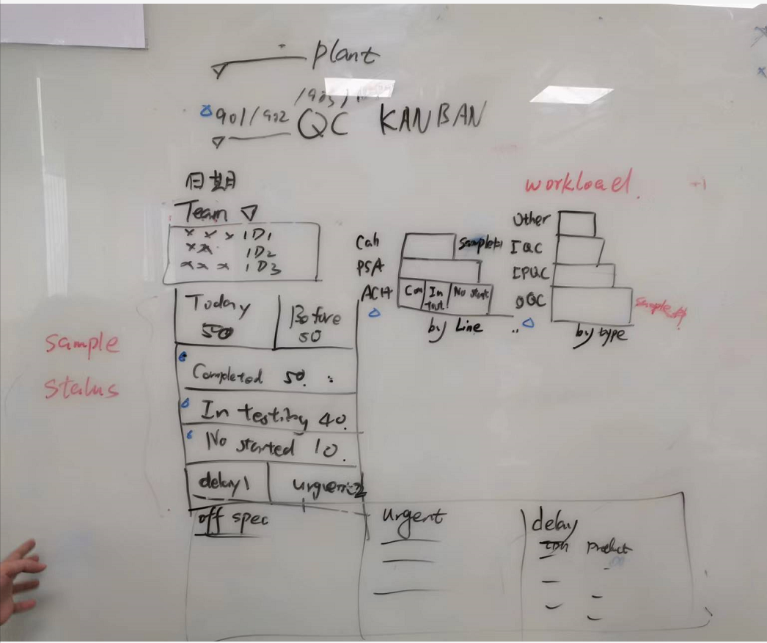 N/A | N/A |  | generally, the to-be dashboard will look like as left side. Within this dashboard, user can interact to filter the data via four criteria: 1) plant, 2) work center, 3) day, 4) business team(group) after filtered, data should be displayed into below sections. 1: of that day, the lists of on-duty operators, only showing the operator ID. 2: of the criteria, the statistic of all the tasks (total, completed, in-testing, not started) 3: the list of out-spec sample 4: the list of delayed sample 5. the list of urgent sample 6: the column chart in which x axis has the quantity, and y axis has the product line. 7: anotther column chart in which x axis has the quantity, and y axis has the inspection type (IQC, OQC, IPQC) this dashboard is a static one, needs to refresh the folder in QCLaD to refresh the data.
JIT RM workflow | QCLaD | Result review | N/A | N/A | N/A | TF: Due to time gap between sample authorization and inspection lot creation, upon receiving the inspection lot, if using Smidi, needs to timely inform QC so that QC user can manually push the results to SAP.
Truck RM workflow | SAP and QCLaD | N/A | N/A | N/A | firstly, the truck workflow is : Truck arrive to factory-->WH collect samples and handwrite the label-->deliver to QC-->QC register the sample and receiving, and print LIMS label-->The remaining flow will be the same to JIT workflow in terms of SAP integration, it is the same with JIT and Standard RM. | N/A
Inprocess Inspection without MES | SAP | Inspection Lot | IPQC Inspection lot: could have more than one operation NO (Phase No as of in MES) > Operation No: 0010 for OQC MIC1 MIC2 >Operation No: 0020 for IPQC MIC3 MIC4 >Operation No:0030 for IPQC MIC1 MIC2 | N/A | For IPQC sample, production personnel will deliver the sample with handwritten Label, and QC person is to locate the corresponding sample in QCLad to perform sample receiving. Then the following workflow is the same with Standard RM. IPQC workflow without MES: requirement：user has the requirement to add one condition step after result is reviewed and authorized, that if wants to copy current IPQC sample results into OQC sample. The detailed logic is that: for each IPQC sample, if it is a last phase IPQC sample, at the time of result reviewed and authorized, the message should prompt to let user decide whether wants to copy result into OQC sample. And if yes, system should query all the sample who shares the same SAP inspection lot ID and inspection type being "OQC", to find the OQC sample. If find, then just copy all the results from current IPQC sample into the OQC sample found. Assumptions is that: all the MIC (analysis and results) are the same between this IPQC and OQC sample. | 1 Henkel: for IPQC inspection lot, SAP needs to provide the indicator among all the operation No to differentiate if is for OQC or IPQC? 2 TF:Upon receiving the inspection lot, what is smidi's mechanism to differentiate the inspection type (IQC, IPQC, OQC etc etc)? 3 Henkel:for all the inspection workflow, which workflow needs result review; which is not? Action item: TF & Henkel: for Henkel, is to check when creating IPQC inspections lot, can define and provide the one operation No which is the last phase, and then share to QCLaD. For LIMS, if Henkel is not able to do so, QCLaD will incorporate such logic to determine if current IPQC sample is a last phase one, that among all the samples who share the same SAP Inspection lot ID and inspection type being 'IPQC', the Operation number is the biggest one.

